NRCI F. Refrigerated Warehouse
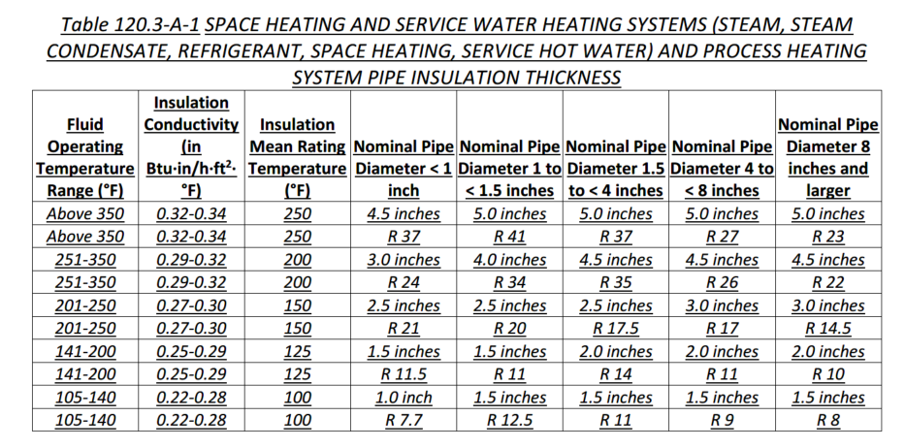
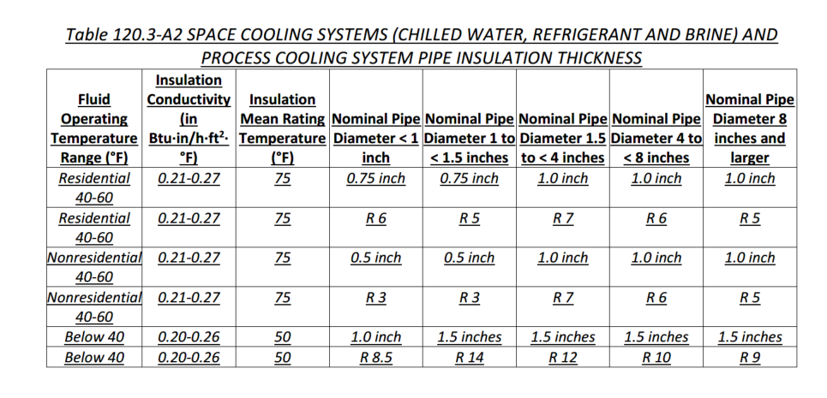
 |  |  |  | From NRCC |  |  | user Input |  | Calculated

Refrigerated Warehouse/Space Fan Powered Evaporators
01 |  | 02 | 03 | 04 | 05 | 06 | 07
Name or Item Tag |  | Model # | Motor HP | Phase | Type or Efficiency | Fan Controls | Evaporator Compliance
Per NRCC | Ffan01_FanName | Always Grey | Ffan02_FanMotorHP | Ffan03_FanPhase Ffan03_NotApplicableMessage | Ffan04_FanMotorEfficiency Ffan04_NotApplicableMessage | Ffan06_EvapFanControl
As-built |  |  | dropdown | dropdown | dropdown | dropdown
1 The compliance tool used to document the Certificate of Compliance does not provide data to the Certificate of Installation. In these scenarios,certificate of installation compliance status will need to be determined manually by the AHJ.

 |  |  | Motor HP Dropdown | Phase Dropdown | Efficiency Dropdown | Fan Control Dropdown
 |  |  | <1 HP | Single Phase < 460V | ECM | Variable Speed based on Temp
 |  |  | >= 1 HP | Three Phase | >=70% Efficiency | Variable Speed based on Humidity
 |  |  |  |  |  | Reduce airflow ≥ 40 % for ≥ 75% of time when compressor is not running.

Refrigerated Warehouse/Space Condensers (Air-cooled, Water-cooled, Evaporative-cooled, Adiabatic)
01 |  | 02 | 03 | 04 | 05 | 06 | 07 | 08
Name or Item Tag |  | Model # | Condenser Location | Temp Setpoint Controls | Variable Speed Control | Refrigerant Type | Efficiency (Btuh/W) | Condenser Compliance
Per NRCC | Fconair02_ComponentName Fconwater02_ComponentName Fconadia02_ComponentName | Always Grey | Fconair03_CondenserLocation Fconwater03_CondenserLocation | Fconair05_CondenserTempControls Fconwater05_CondenserTempControls Fconadia04_CondenserTempControls | Fconair04_VariableSpeedControl Fconwater04_VariableSpeedControl Fconadia03_VariableSpeedControl | Fconair07_RefrigerantType Fconair07_NotApplicableMessage Fconadia06_RefrigerantType | Fconair09_CondenserEfficiency Fconwater09_CondenserEfficiency Fconadia08_CondenserEfficiency
As-built |  |  | dropdown | dropdown | dropdown | dropdown
1 The compliance tool used to document the Certificate of Compliance does not provide data to the Certificate of Installation. In these scenarios,certificate of installation compliance status will need to be determined manually by the AHJ.

 |  |  | Condenser Location Dropdown | Temp Setpoint Dropdown | Variable Speed Fans Dropdown | Efficiency Dropdown
 |  |  | Indoor | Designed to <= 70 @ ambient db temp | Variable speed fan(s) provided | Ammonia
 |  |  | Outdoor | NA: Transcritical CO2 refrigeration | NA: Transcritical CO2 refrigeration | Halocarbon
 |  |  |  |  |  | NA: Transcritical CO2 refrigeration
 |  |  |  |  |  | NA: Condensing Unit that are components of walk-in coolers or freezers within the scope of Appliance Efficiency regulations.

Refrigerated Warehouse/Space Compressors
01 |  | 02 | 03 | 04 |  | 05 |  | 06
Name or Item Tag |  | Model # | Condensing Temp | Variable Speed Control |  | Variable Volume Ratio |  | Compressor Compliance
Per NRCC | Fcom02_ComponentName | Always Grey | Fcom03_CompressorTemps | Fcom04_CompressorVariableSpeed |  | Fcom05_VariableVolRatioStatus
As-built |  |  | dropdown | dropdown |  | dropdown
1 The compliance tool used to document the Certificate of Compliance does not provide data to the Certificate of Installation. In these scenarios,certificate of installation compliance status will need to be determined manually by the AHJ.

 |  |  | Condensing Temp Dropdown | VS Control Dropdown |  | VVR Dropdown
 |  |  | Min condensing temp < 70 deg | Controls compressor speed in response to refrigeration load |  | Auto vary volume ratio in response to operating pressure
 |  |  | Transcritical CO2 w SST < 30deg: Min condensing temp <= 60 deg | NA: Not new open-drive screw compressor w SST <= 28deg |  | NA: Not screw compressor w > 150 HP motor
 |  |  |  | NA: > 1 dedicated compressor per suction group
 |  |  |  | NA: > 20% for quick chilling/freezing or cooling another refrigerated space

Refrigerated Warehouse/Space Infiltration Barriers and Automatic Door Closers
01 | 02 |  |  |  | 03 |  | 04
Room ID/ Description | Infiltration Barrier |  |  |  | Door Closure |  | Infiltration Barrier Compliance

Fbar01_SpaceName | Fbar02_InfiltrationBarrierMethod |  |  |  | Fbar02_DoorClosureMethod
 | Dropdown |  |  |  | Dropdown
1 FOOTNOTE: Infiltration barriers include strip curtains, automatically-closing door, or an air curtain designed by the manufacturer
2 The compliance tool used to document the Certificate of Compliance does not provide data to the Certificate of Installation. In these scenarios,certificate of installation compliance status will need to be determined manually by the AHJ.

 | IB Dropdown |  |  |  | Door Closure Method Dropdown
 | Passageway between freezers and non-refrigerated spaces include infiltration barriers |  |  |  | Passageway between freezers & higher temp. spaces/ coolers and non-refrigerated spaces shall include automatic door closures per §120.6(a)9
 | NA: openings < 16ft2 |  |  |  | NA: Room doesn't include people passageways between freezers/ higher temp./coolers/non-refrigerated spaces
 | NA: Dock doorway for trailers
 | NA: Room doesn't include passageways between freezers and non-refrigerated spaces

Transcritical CO2 Fan-powered Gas Coolers
01 |  | 02 | 03 | 04 | 05 | 06
Name or Item Tag |  | Variable Speed Control | Gas Cooler Pressure Controls | Design Condensing Temperatures | Efficiency (Btuh/W) | Compliance
Per NRCC |  | Variable speed fan(s) provided controlled per §120.6(a)8D | Condensing temp reset per §120.6(a)4F and cooler pressure setpoint maximizes efficiency
As-built |  |  |  | Dropdown
1 The compliance tool used to document the Certificate of Compliance does not provide data to the Certificate of Installation. In these scenarios,certificate of installation compliance status will need to be determined manually by the AHJ.

 |  |  |  | Design Temp dropdown
 |  |  |  | Min condensing temp <=60 deg
 |  |  |  | Transcritical CO2 w SST < 30deg: Min condensing temp <= 70 deg

Mandatory Pipe Insulation All Occupancies
1 |  | 2 |  |  |  | 3
System Name |  | Pipe Insulation Applications |  |  |  | Pipe Insulation Protection
Per NRCC |  | For systems serving nonresidential spaces, pipe insulation for the following applications is specified to comply with Table 120.3-A1 or or Table 120.3-A2 (see below) - Recirculating system piping, including supply and return piping of the water heater - The first 8 ft of hot and cold outlet piping, including between storage tank and heat trap, for a nonrecirculating storage system - Pipes that are externally heated |  |  |  | Pipe and appurtenance insulation shall be protected from damage, including that due to sunlight, moisture, equipment maintenance, and wind. Protection shall include: - Insulation exposed to weather shall be installed with a cover suitable for outdoor service - Pipe insulation buried below grade must be installed in a water proof and non-crushable casing or sleeve. - Pipe insulation covering chilled water piping and refrigerant suction piping located outside the conditioned space shall include, or be protected by, a Class I or Class II vapor retarder. All penetrations and joints shall be sealed.
As-built

Sig Block
